Sheet1
Personal Work Log

Nikkolas Diehl - 16945724

Total Hours Spent on the Computer Graphics Assignement 1: 43.05 |  |  |  |  |  | Number of Logs: 10

Date | Hours | Difficulty with task |  |  | What did I learn | Personal Reflection Of Events During This Time
 |  | Easy | Moderate | Hard
2019-03-01 | 1 |  |  |  | Texture mapping and started some ideas about bitmap bump maping | Started the project and got basic files working. Started working on the terrain but it wasn't working

2019-05-03 | 0.34 |  |  |  | __ | 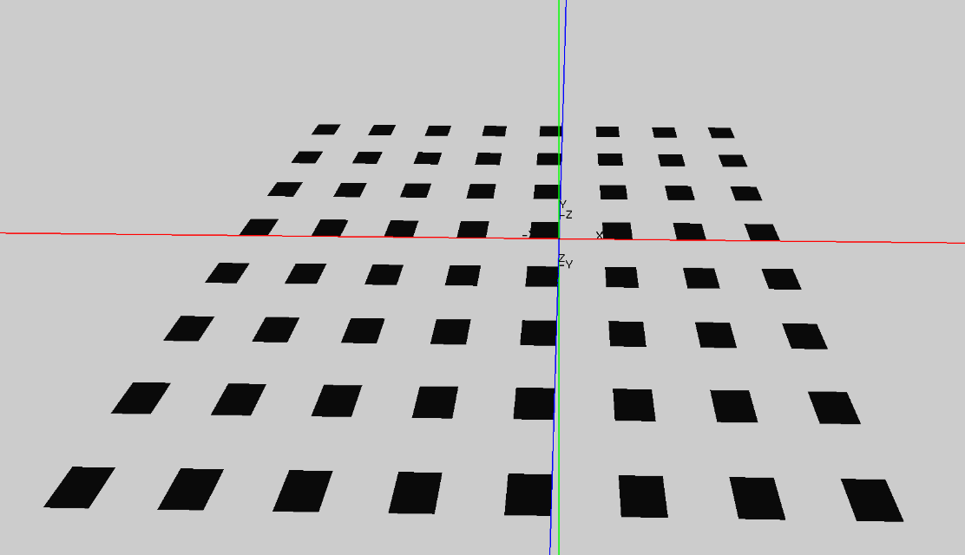 Started some very basic work on the terrain. Got it to display a little but but didn't have much time to work on it today.

2019-05-05 | 5.21 |  |  |  | __ | 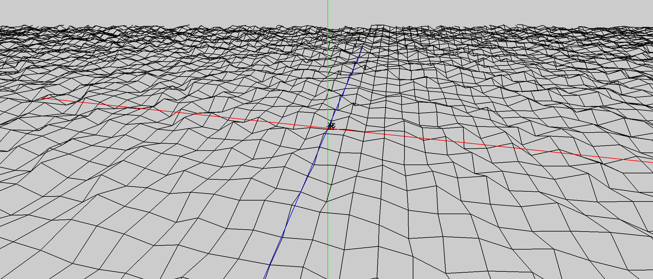 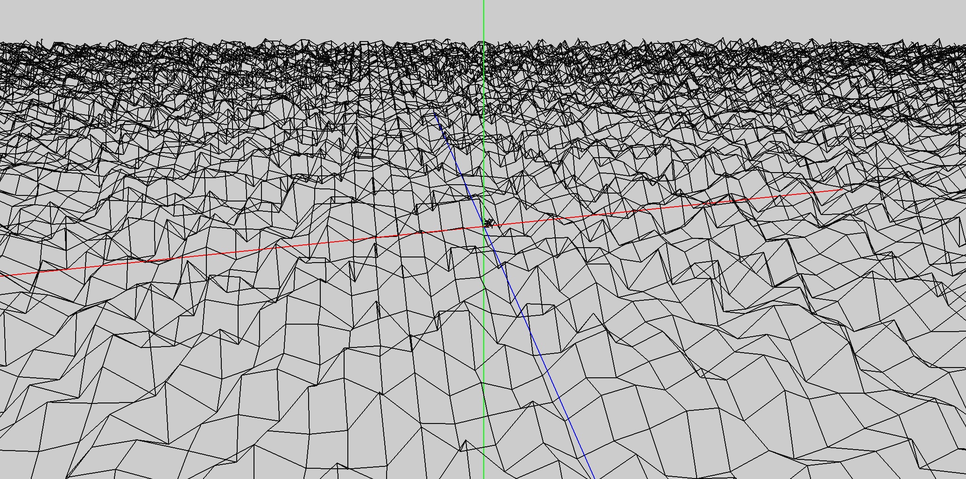 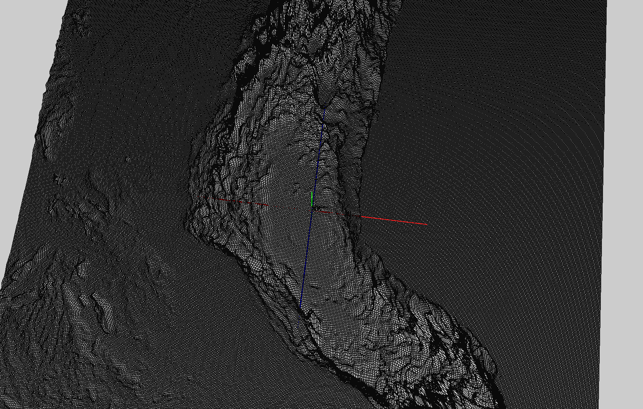 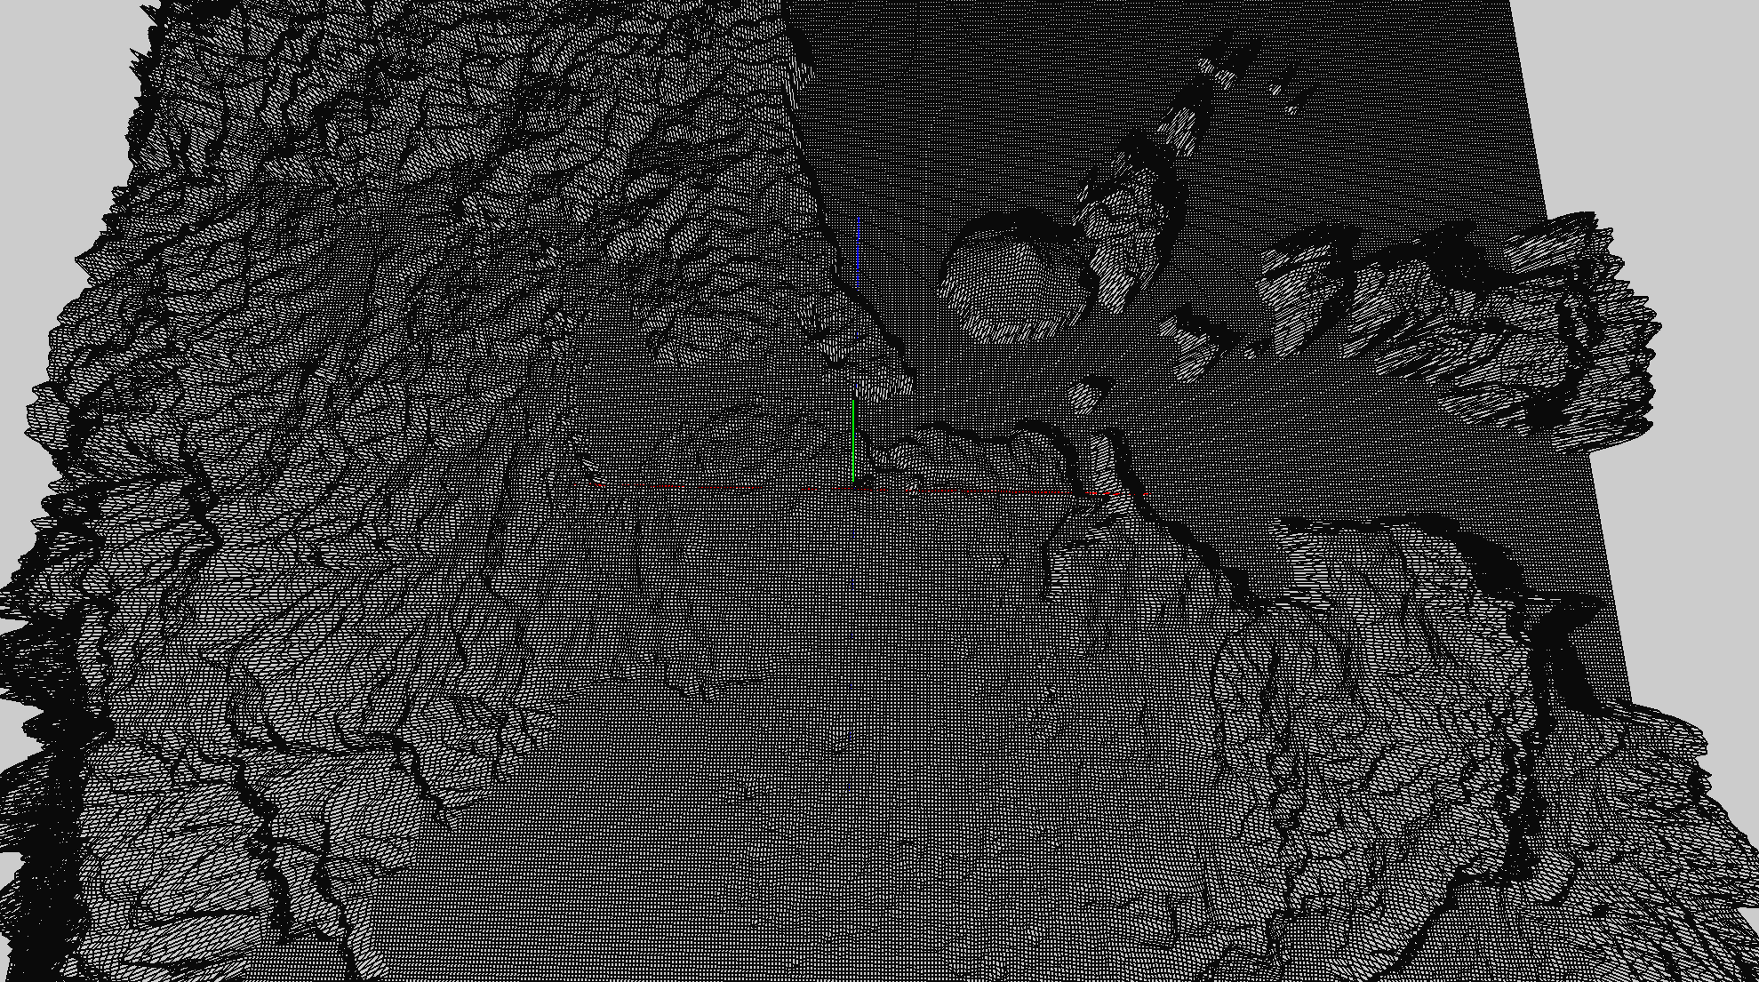 Completed basic terrain generation for both the randomised terrain and height mapped terrain and tested both. The random generation I found quite hard to get to work since I was working from a 1D array of height maps which I had a lot of trouble with. Eventually though I did get it to work and display a proper terrain with random height. When I was working on the height map it took me significantly less time to program since it was already written out on the lecture notes and because I had already worked for ages on the code so I understood it quite easily. I also wasted time with the random generation cause I was "translating" the terrain using smart math when I could have just generated from 0,0 and then translated it across to be in the center. Bellow are some examples of my random generation followed by my height mapped terrain

2019-05-08 | 7.5 |  |  |  | __ | 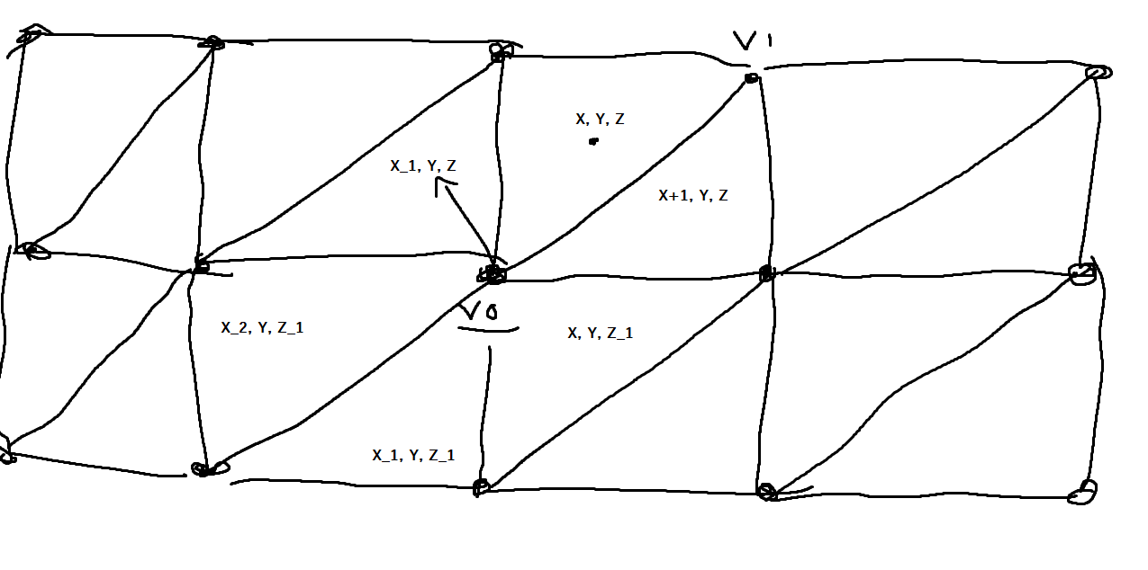 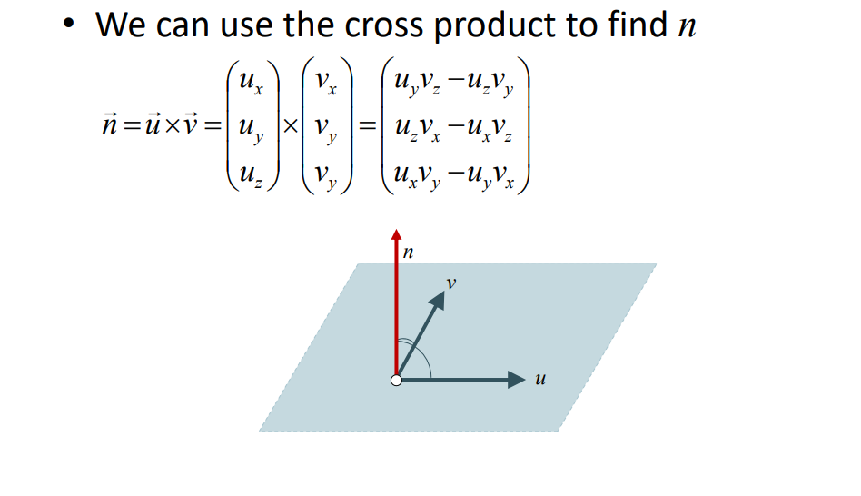 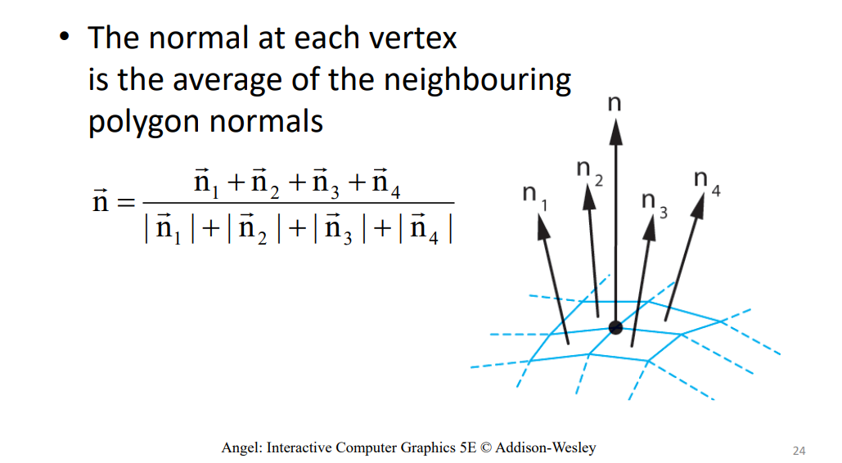 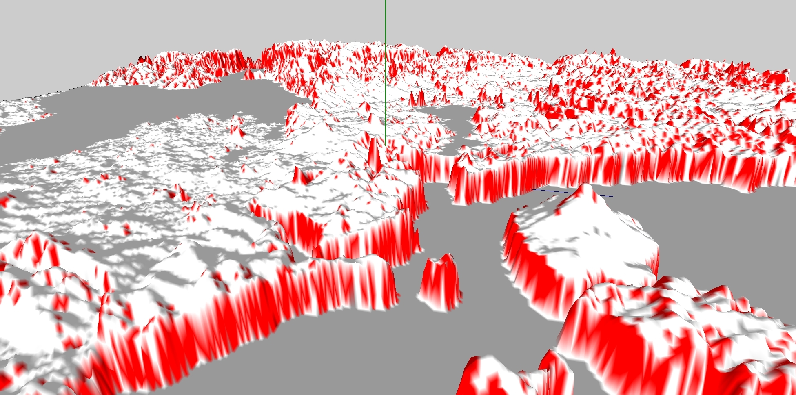 Worked on fixing up my normalisation function to find the normals of all triangles in the terrain. The normals are now properly calculated by finding the average of all sruface normals around a vertex. I also redid my colouring function so that it colours based off the angle of the hills. Anything more than 45 degrees means red, otherwise white. This is a proof of concept to make sides of hills a different texture.

2019-05-12 | 9 |  |  |  | __ | 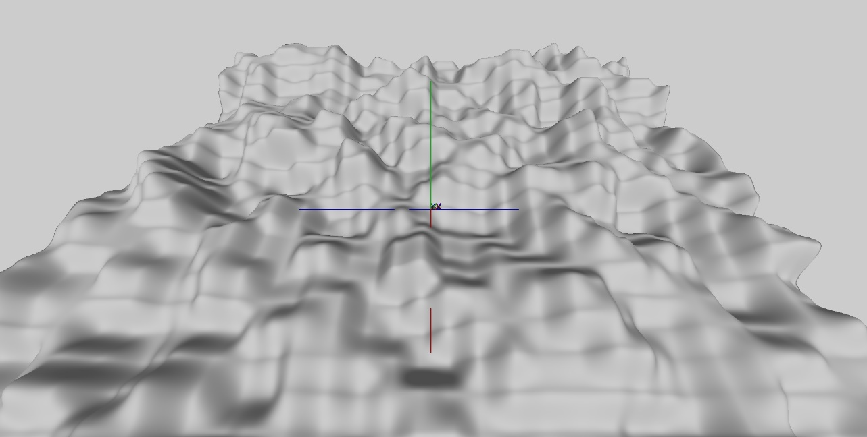 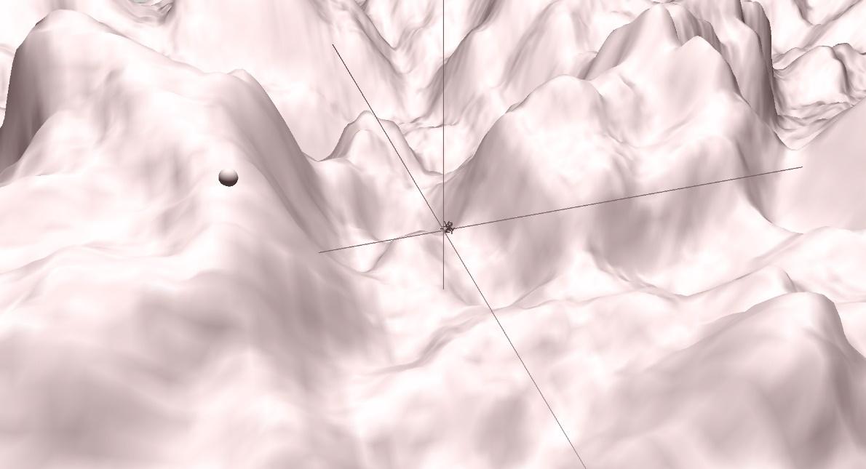 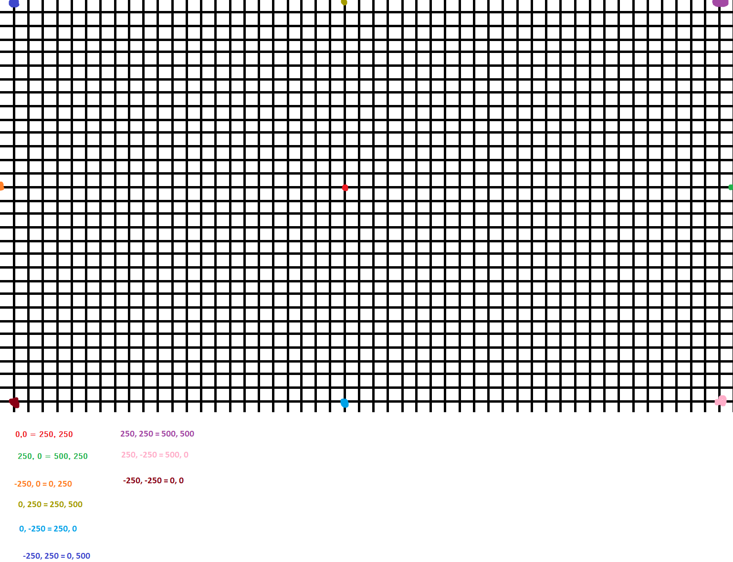 Worked for about 6 hours on getting a perlin noise algorithmic terrain working. The algorithm goes through 3 de-noising functions that smooth out the noise. The first function called getNoise sets a seed with relation to x, z and a random value between 0-1,000,000,000 that is previously set. Once the seed is created, it then returns a random float between -1f and 1f. This randomised value would look very extreme for the terrain to use so the random value goes through the getSmoothNoise function. This takes the corner heights, side heights and centre height of a given vertex at z, x and returns the average of all those values. These randomised heights would still be a bit too extreme and have no interpolation in between them so the height value then goes through a final function called getInterpolatedNoise. This simply interpolates height values between each value it is given to make the terrain very smooth. Finally the noise is then mixed with another randomised interpolated noise value with a lower amplitude to create a very natural looking smoothed noise value. All in all the terrain looks very smooth and runs well. I then spent a while making a test character/player that could move with keyboard controls and that changed height with the floor it was standing on. This sortof worked but I had some bugs where the player couldn't strafe properly and also the character couldn't smoothly move down hills as shown here: https://i.gyazo.com/5c0361bec7625ce14b3dd082a5d5b078.mp4. Show bellow is some images of my perlin noise terrain. I also turned off colouring and started fiddeling around with lighting and placed two lights. One for the sun and one for the moon

2019-05-13 | 3 |  |  |  | I learnt some basic stuff about texture mapping | During my lecture/lab working period I finally got textures mapped to my terrain. After trying out a bunch of different things, I found that I had forgot to enable the textures and so finally they where mapping correctly to my terrain. I got grass working in higher definition than I thought I would be able to since I thought it would lag and I added pebbles, snow and groundcover images for later when I planned to try bind different textures based on the height of the terrain. I also finally got the movement of the character working and it turns out the issue was that I was using the heading angle value in degrees when the formula is meant to only use radians.

2019-05-13 | 8 |  |  |  | I learnt a lot about shaders and shader programs | 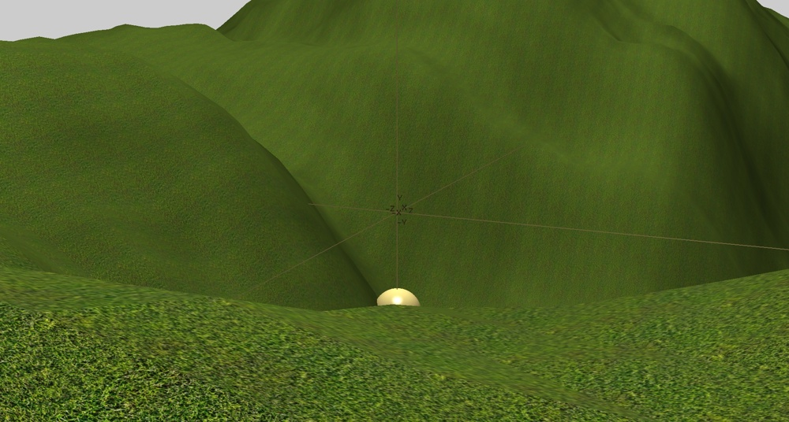 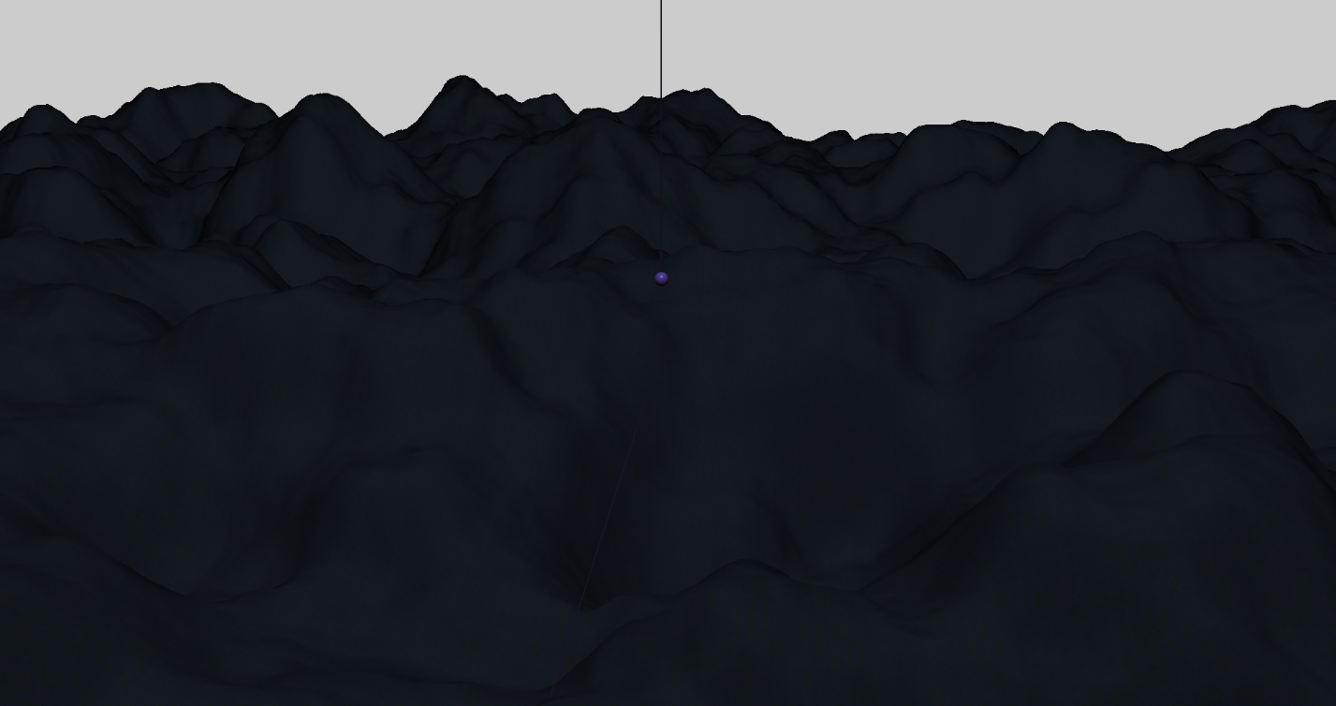 After looking around for ages and ages to try find a way to easily map different terrain based on my height map at a given z, x value, I found that most people suggested to make a shader. After searching around I found a tutorial made in OpenGL 3.0 (can be found here: https://youtu.be/AyNZG_mqGVE and here: https://youtu.be/4w7lNF8dnYw). The code was not that hard to convert back to OpenGL 2.0 and after I did that I searched around on blackboard for easier ways to actually run the shaders. Once I found some spare code that the teacher had given us I actually found the algorithm for reading in shaders and running them from the tutorial ran and worked much much better and was easier to read so I ended up sticking with that. Once I then got some basic lighting working and finally got textures back up and running I was extremely pleased. I had a fully functioning shader that currently was able to take in a texture and display it on a specific object without changing any of my original code but simply by adding and playing around with shaders. Once I had the shader running, I finally added my sun light, moon light and added materials to everything and correct material to each of the lights to create a very nice looking day time and a very spooky night time as shown here: I also added a golden material to the 'character' sphere for now so that I could more easily see it for programming later. The next thing I want to do is add the skybox and get a day/night time working and then after that, on Wednesday I want to ask the teacher about using my shader to run different textures on my terrain like I originally intended

2019-05-14 | 3 |  |  |  | __ | 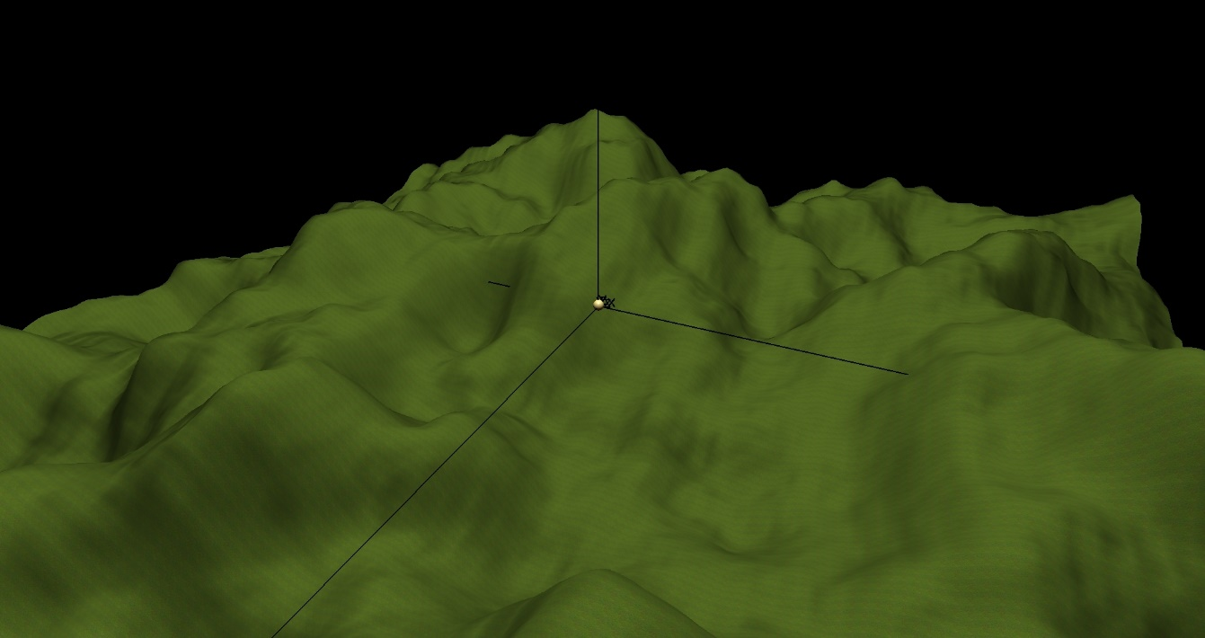 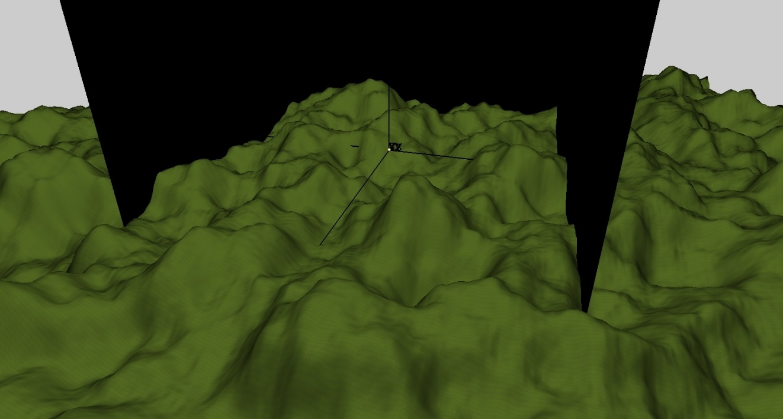 Was still fiddeling around with shaders and trying to get texture blending to work but eventually gave up. Spent about one modulating my code and making a texture loader class with debugging notifications so I could more easily see how long my program was taking to buffer. Added sky textures and started work on the skybox using verticy arrays but didn't know how to properly bind a texture so gave up for now.

2019-05-15 | 2 |  |  |  | Learnt the basics from small video tutorials on blender. I made 3 skyboxes with blender for night, day and clouds | 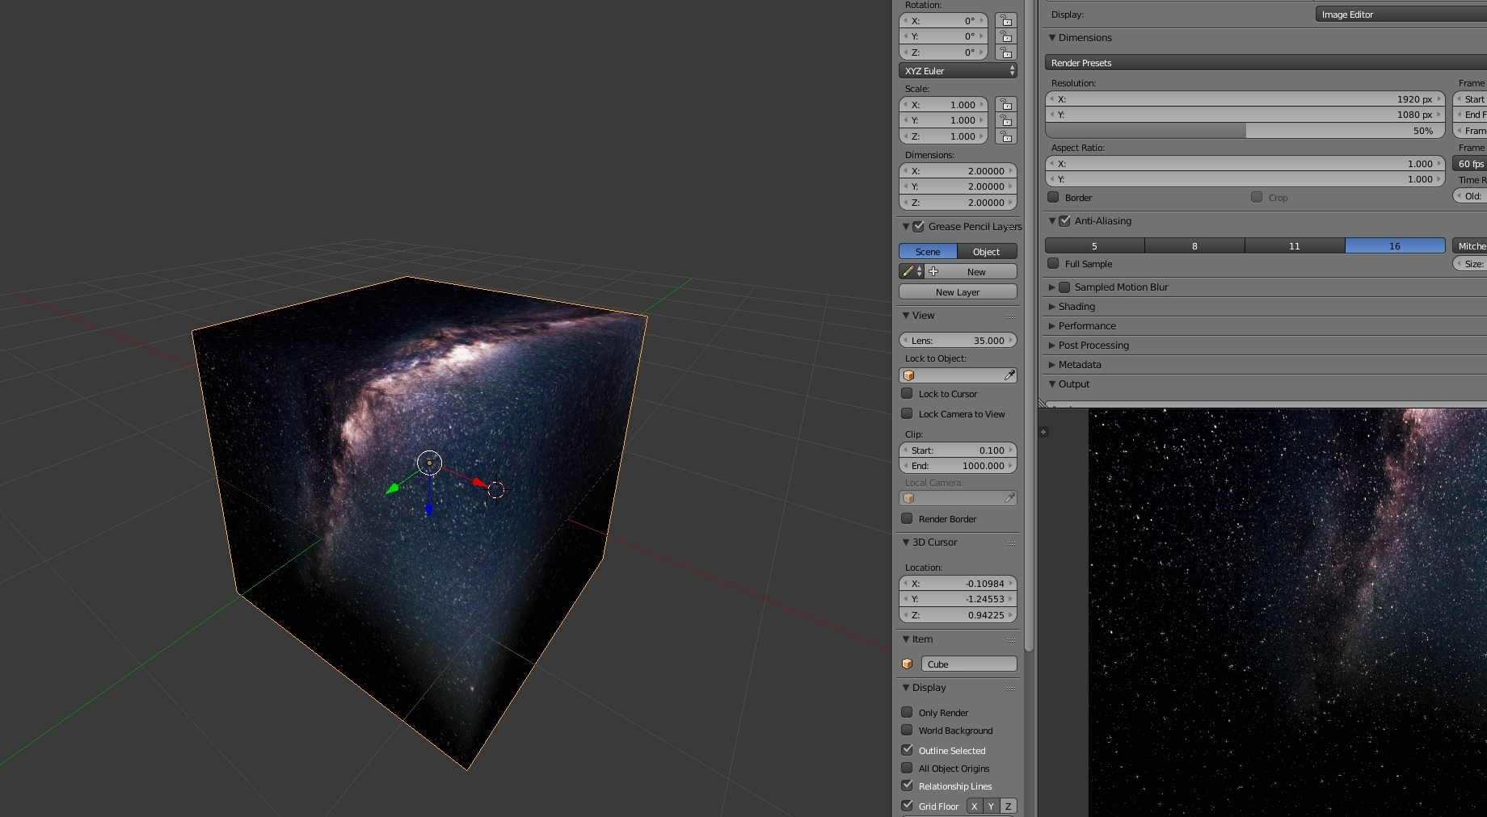 I spent about 2 hours working on the sky boxes as I decided to do them inside blender which allowed for much more creativity and faster building. I learnt heaps about modeling in blender and texturing with UV maps in blender. I made 3 skyboxes that I will be using. Clouds, night and day which will have transitions. I also made sure to invert the normals so they all point inwards.

2019-05-20 | 4 |  |  |  | __ | 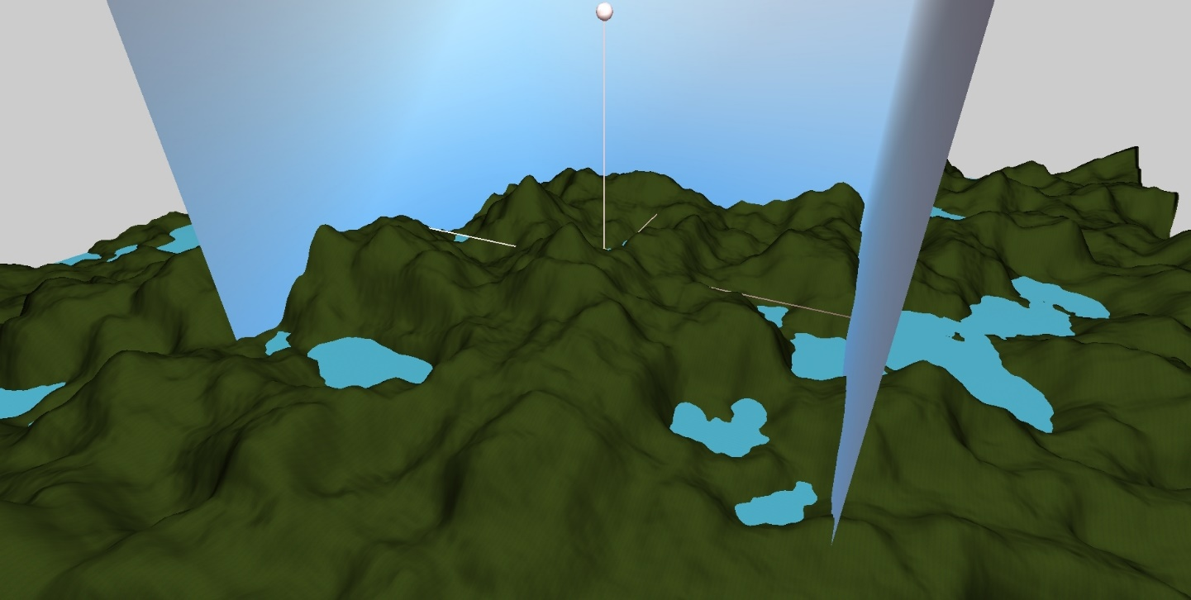 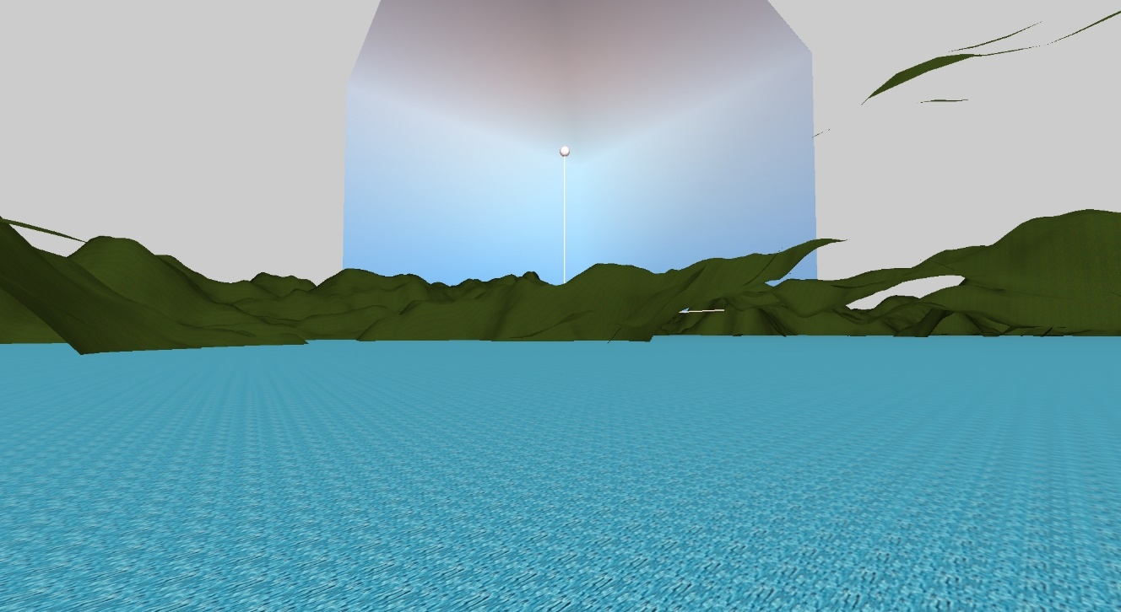 Spent ages finishing off the Object loader for the game. It takes in an .obj file which contains vertices, normals and texture translations as well as faces in lists. The loader reads that all, parses it out as individual, properly formatted float arrays and then passes them into a RawModel object that saves them and then draws them on a draw call. Once that was all done I quickly got a water level working with a quick texture and started working on a first person camera. I do still have some strange issues with texturing on my skybox which I will try fix tomorrow

